CRCM
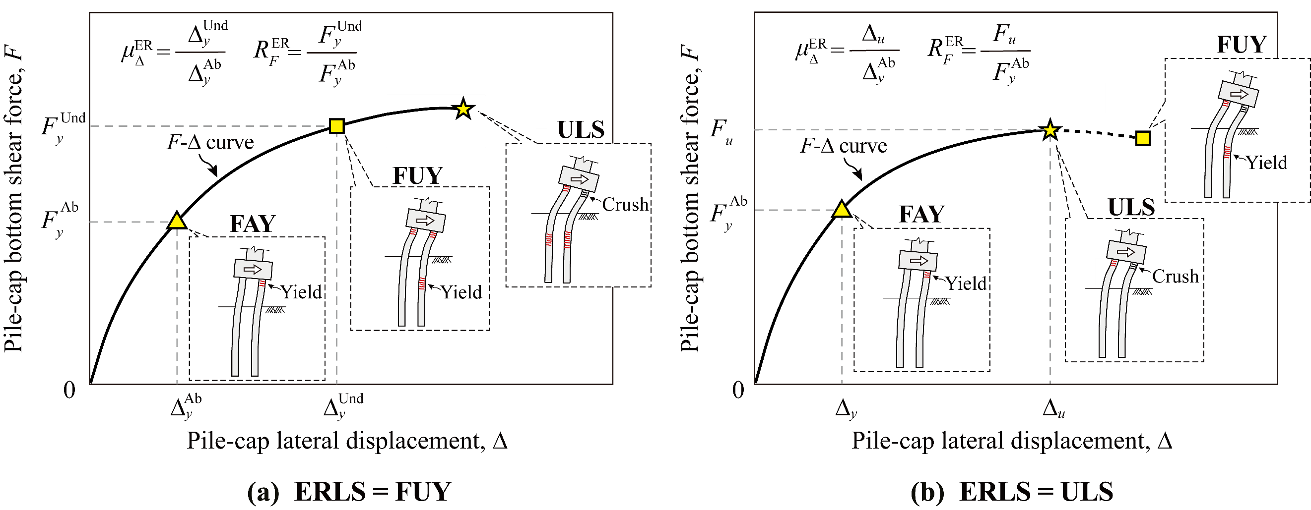
Input | Description | Unit | Value
N | Pile row numbers along the loading direction | / | 3 |  | Multivariate linear models | Weight coefficients |  |  |  |  |  |  |  |  |  |  | Intercept
d | Pile diameter | m | 1.4 | Modify the input values to see the change of output values |  | N | d | ρl | ρs | S | fy | fc | H | α | SD | Dr
ρl | Pile Longitudinal reinforcement ratio | % | 1.3 |  | Classification model | -1.573 | -0.993 | -0.978 | 3.712 | -0.998 | -0.012 | -0.102 | 0.172 | -0.340 | -0.240 | 0.024 | 20.825
$${\text{μ}}_{\text{∆}}^{\text{ER}}$$
ρs | Pile transverse reinforcement volume ratio | % | 1.5 | Input | Regression ( ,FUY ) | 0.476 | 0.590 | -0.156 | 0.028 | 0.371 | -0.0002 | 0.002 | -0.051 | 0.005 | -0.007 | -0.006 | -0.212
$${\text{μ}}_{\text{∆}}^{\text{ER}}$$
S | Pile center-to-center spacing | d | 2.8 |  | Regression ( ,ULS ) | 0.053 | 0.231 | -0.236 | 0.814 | 0.008 | -0.0026 | -0.025 | -0.004 | -0.071 | -0.044 | 0.002 | 4.926
$${\text{R}}_{\text{F}}^{\text{ER}}$$
fy | Yielding strength of steel reinforcement | Mpa | 377 |  | Regression ( ,FUY ) | 0.089 | 0.197 | 0.013 | 0.001 | 0.062 | -0.0005 | -0.001 | -0.009 | -0.004 | -0.017 | -0.001 | 1.108
$${\text{R}}_{\text{F}}^{\text{ER}}$$
fc | Compressive strength of concrete cover | Mpa | 25 |  | Regression ( ,ULS ) | 0.006 | 0.188 | -0.0005 | 0.082 | -0.009 | -0.0008 | -0.004 | 0.003 | -0.013 | -0.028 | 0.0004 | 1.793
H | Pier height | m | 10.5
α | Pile axial load ratio | % | 5
SD | Scour depth | m | 3
Dr | Sand relative density | % | 43

$${\text{μ}}_{\text{∆}}^{\text{ER}}$$
Output | Description | Unit | Value
Identified ERLS | Easy-to-Repair Limit state, represented by the first underground yielding (FUY) or ultimate limit state (ULS) of scoured pile groups, whichever occurs first. | / | FUY | Output
 | Easy-to-Repair Displacement Ductility Factor | / | 2.11
$${\text{R}}_{\text{F}}^{\text{ER}}$$
 | Easy-to-Repair Strength Hardening Factor | / | 1.43

